Sheet1
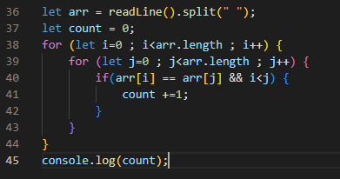
+1
 | serial No | arr | i | j | count | arr[i] | arr[j] | working | output
 | 36 | ["71","32","-53","71","71","-53"]
 | 37 |  |  |  | 0
 | 38 |  | 0
 | 39 |  |  | 0
 | 40 |  |  |  |  | 71 | 71 | 71 = 71 && 0<0 ==> false
 | 39 |  | 0 | 1 |  | 71 | 32
 | 40 |  |  |  |  |  |  | 71=32 false | repeat step
 | 39 |  | 0 | 2 |  | 71 | -53
 | 40 |  |  |  |  |  |  | FALSE
 | 39 |  | 0 | 3 |  | 71 | 71
 | 40 |  |  |  |  |  |  | TRUE
 | 41 |  |  |  | 1
optimistion | 39 |  |  | 4 |  | 71 | 71
we optimised the solution by let j = 1 | 40 |  |  |  |  |  |  | TRUE
This will eliminate the comparison of already compared element | 41 |  |  |  | 2
Hence reduce time of process | 39 |  |  | 5 |  | 71 | -53
 | 40 |  |  |  |  |  |  | FALSE
 | 39 |  |  | 6 |  |  |  | 6<6 ==> false
 | 38 |  | 1
 | 39 |  |  | 0 |  | 71 | 32
 | 40 |  |  |  |  |  |  | 32=71 false | repeat step
 | ….
 | ………

